Dev Board Pinout
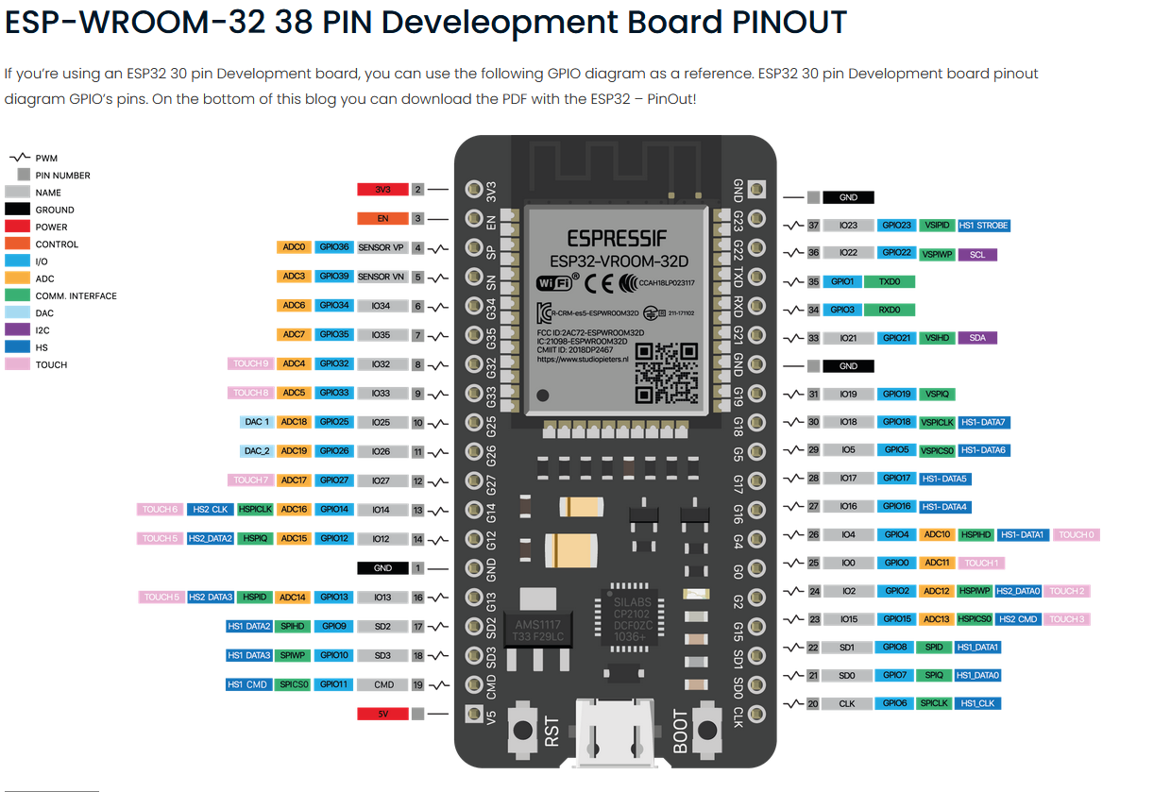

Sheet1
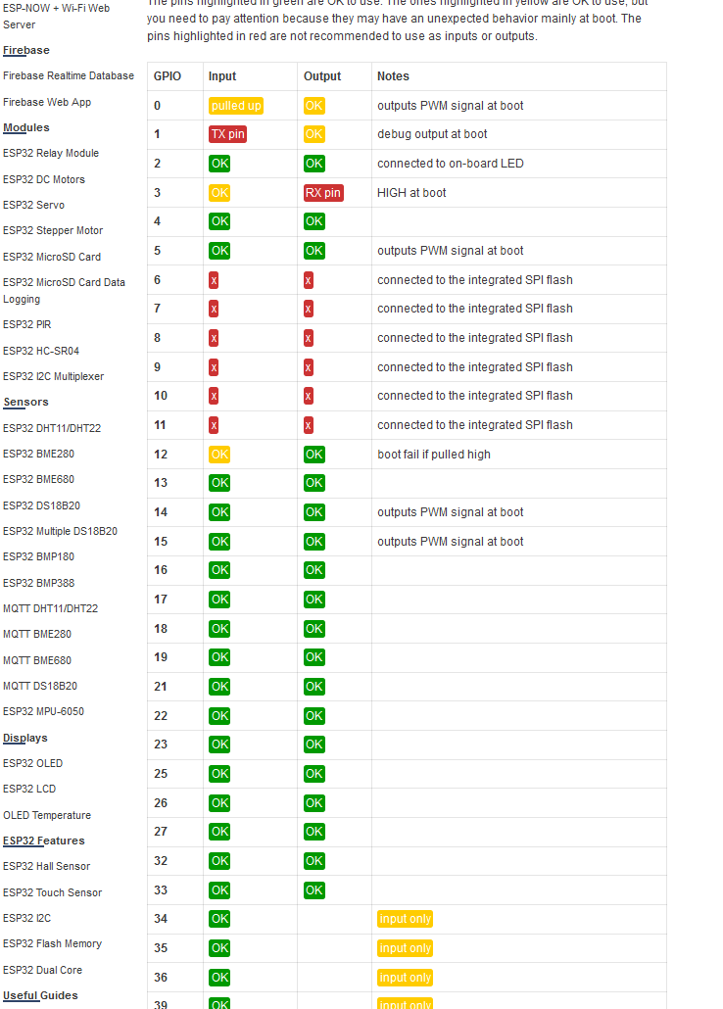
GPIO | Available on Dev Board?
0 | Y
1
2 | Y
3
4 | Y
5 | Y | VSPI
6 | Y
7 | Y
8 | Y
9 | Y
10 | Y
11 | Y
12 | Y
13 | Y
14 | Y
15 | Y
16 | Y | uart
17 | Y | uart
18 | Y | VSPI
19 | Y | VSPI
20
21 | Y | I2C
22 | Y | I2C
23 | Y | VSPI
24 | Y
25 | Y | AUDIO
26 | Y | AUDIO
27 | Y | AUDIO
28
29
30
31
32 | Y | AUDIO
33 | Y | AUDIO
34 | Y
35 | Y
36 | Y
37
38
39 | Y
40
41
42
43
44
45
46
47
48
49
50
51
52
53
54
55
56
57
58
59
60
61
62
63
64
65
66
67
68
69
70
71
72
73
74
75
76
77
78
79
80
81
82
83
84
85
86
87
88
89

